1. Title Page
Grocery Basket Analysis

Project Name: Insta
Date: December 31, 2023
Analyst Name: Karen Zhou

Contents:
Population Flow
Consistency checks
Wrangling steps
Column derivations
Visualizations
Recommendations

Citation: "The Instacart Online Grocery Shopping Dataset 2017", Accessed from www.instacart.com/datasets/grocery-shopping-2017 via Kaggle on 31 December 2023

2. Population Flow
Title page

Population flow

Orders_products_combined
Orders_products_merged
Orders_products_all

Total: 32434489
Total: 32404859
Total: 32404859

1.) The grey boxes in the first row of the population flow represent the original data sets as they were when you downloaded them. In the Total fields you need to add the count of the rows when you imported the data set into Jupyter.
2.) The second row of boxes (coloured) represents the data sets after you manipulated them, e.g., removed missing values and duplicates. In the Total fields you need to add the count of the rows after conducting these operations. This offers a visual oveview of how the data flows throughout the data consistency checks.
3.) The third row, where also the arrows are coloured, represents the merges you performed between the datasets. In the Total fields you need to add the count of the rows in the merged datasets, so that you end up with the final dataset (in the red box). Keep in mind the final dataset should be without exclusions (based on the exclusion flag).

3. Consistency checks
 |  |  |  | Title page
Consistency checks

Dataset | Missing values | Missing values treatment | Duplicates
orders | "days_since_prior_order" missing 206,209 values | imputation with median value | none
products | "product_name" missing 16 values | dropped values | Yes - 5 rows, which were dropped
orders_products_prior | No values are missing | No missing values to treat | No Duplicates found
customers | No values are missing | No missing values to treat | No Duplicates found
orders_products_all(combined_dataset) | No values are missing | No missing values to treat | No Duplicates found

4. Wrangling steps
 |  |  |  |  | Title page
Wrangling steps

Columns dropped | Columns renamed | Columns' type changed | Comment/Reason
eval_set |  |  | "eval_set" not necessary | Due to the high memory usage, unable to drop these columns due to high processing power. Please see the code and explanation in the Jupyter notebook
 | order_dow |  | order_dow changed to order_day_of_week because it's more intuitive

First Name |  |  | personal identifying information
Surname |  |  | personal identifying information

5. Column derivations
 |  |  |  | Title page

Column derivations and aggregations

In this tab you should add tables below that the frequences of flags/label variables that you produced after deriving them. NB: don't do this for continuous variables, only for flags.
Dataset | New column | Column/s it was derived from | Conditions
ords_prods_merge2 | busiest_days | orders_day_of_week | if value == 0 or value ==1: col_1.append("Busiest day") elif value == 3 or value == 4: col_1.append("Slowest day") else: col_1.append("Regularly busy")
 | busiest_period_of_day | hour_of_day_ordered | if value in [10, 11,14,15,13,12,16,9,17]: col_2.append("Most orders") elif value in [2,3,4,5]: col_2.append("Fewest orders") else: col_2.append("Average orders")
 | price_range_loc | prices | ords_prods_merge.loc[ords_prods_merge['prices'] > 15, 'price_range_loc'] = 'High-range product' ords_prods_merge.loc[(ords_prods_merge['prices'] <= 15) & (ords_prods_merge['prices'] > 5), 'price_range_loc'] = 'Mid-range product' ords_prods_merge.loc[ords_prods_merge['prices'] <= 5, 'price_range_loc'] = 'Low-range product'
 | loyalty_flag | max_order (derived from tranform(np.max) of order_number grouped by user_id) | ords_prods_merge.loc[ords_prods_merge['max_order'] > 40, 'loyalty_flag'] = 'Loyal customer' ords_prods_merge.loc[(ords_prods_merge['max_order'] <= 40) & (ords_prods_merge['max_order'] > 10), 'loyalty_flag'] = 'Regular customer' ords_prods_merge.loc[ords_prods_merge['max_order'] <= 10, 'loyalty_flag'] = 'New customer'
 | spender_flag | avg_spending (derived from tranform(np.mean) of prices grouped by user_id) | ords_prods_merge.loc[ords_prods_merge['avg_spending'] < 10, 'spender_flag'] = 'Low spender' ords_prods_merge.loc[ords_prods_merge['avg_spending'] >= 10, 'spender_flag'] = 'High spender'
 | ord_freq_flag | last_order (derived from tranform(np.median) of days_since_prior_order grouped by user_id) | ords_prods_merge.loc[ords_prods_merge['last_order'] > 20, 'ord_freq_flag'] = 'Non-frequent customer' ords_prods_merge.loc[(ords_prods_merge['last_order'] > 10) & (ords_prods_merge['last_order'] <=20), 'ord_freq_flag'] = 'regular customer' ords_prods_merge.loc[ords_prods_merge['last_order'] <= 10, 'ord_freq_flag'] = 'Frequent customer'
combined_dataset (The final dataset from Task 4.9) | Region | State | Northeast=['Maine','New Hampshire','Vermont','Massachusetts','Rhode Island','Connecticut','New York','Pennsylvania','New Jersey'] Midwest=['Wisconsin','Michigan','Illinois','Indiana','Ohio','North Dakota','South Dakota','Nebraska','Kansas','Minnesota','Iowa','Missouri'] South=['Delaware','Maryland','District of Columbia','Virginia','West Virginia','North Carolina','South Carolina','Georgia','Florida','Kentucky', 'Tennessee','Mississippi','Alabama','Oklahoma','Texas','Arkansas','Louisiana'] West=['Idaho','Montana','Wyoming','Nevada','Utah','Colorado','Arizona','New Mexico','Alaska','Washington','Oregon','California','Hawaii'] dataset.loc[dataset['State'].isin(Northeast),'Region']='Northeast' dataset.loc[dataset['State'].isin(Midwest),'Region']='Midwest' dataset.loc[dataset['State'].isin(South),'Region']='South' dataset.loc[dataset['State'].isin(West),'Region']='West'
 | age_group | Age | df_1.loc[df_1['Age']<=25, 'age_group']='Young Adult' df_1.loc[(df_1['Age']<65)&(df_1['Age']>25), 'age_group']='Adult' df_1.loc[df_1['Age']>=65, 'age_group']='Senior'
 | income_group | income | df_1.loc[df_1['income']<50000, 'income_group']='low income' df_1.loc[(df_1['income']>=50000)&(df_1['income']<100000), 'income_group']='middle income' df_1.loc[df_1['income']>= 100000, 'income_group']='high income'
 | department | data from departments_wrangled.csv was mapped to department_id of the current dataset | dict = df_dep['department'].to_dict() df_1['department'] = df_1['department_id'].map(dict)
 | dependant_group | n_dependants | df_1.loc[df_1['n_dependants']>0, 'dependants']='Yes' df_1.loc[df_1['n_dependants']==0, 'dependants']='No'

6. Visualizations
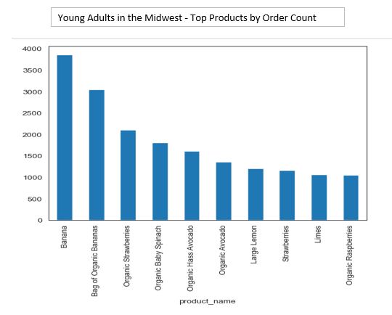
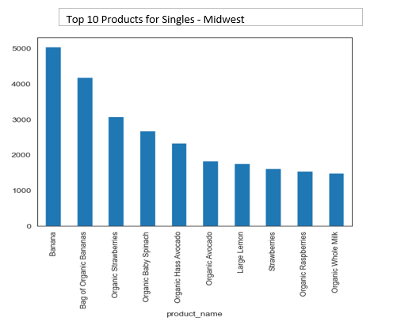
 |  |  |  |  |  |  | Title page

Visualisations

In this tab you should include all the visualtions from Exercises 4.9 and 4.10, alongside the questions from the project brief that they answer. Include any commentary on the relationship between different variables.

The sales team needs to know what the busiest days of the week and hours of the
day are (i.e., the days and times with the most orders) in order to schedule ads at
times when there are fewer orders.
 | Busiest Days and Hour of the Day by Count of Orders

Frequency of Orders by Hour of the Day
Frequency of Orders by Day of the Week

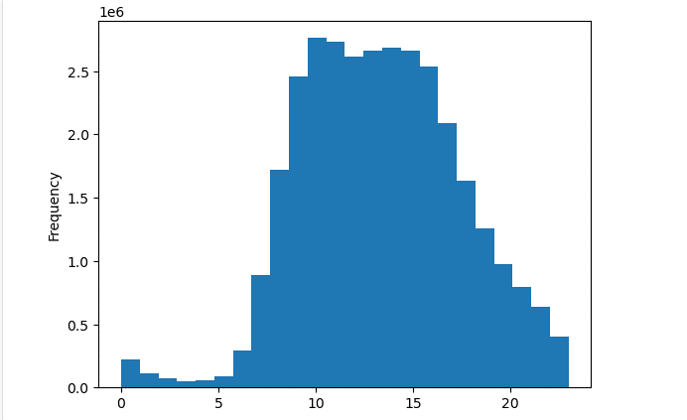
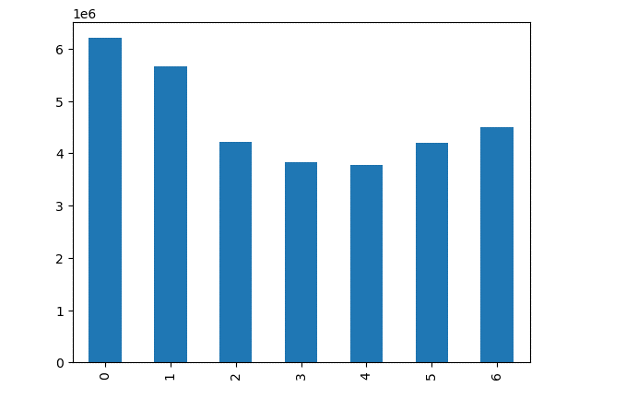

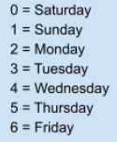

Hour of the Day
Order Day of the Week

 | The peak hours are 10 am and 11 am |  |  |  |  | The busiest day of the week is Saturday followed by Sunday.

 |  | Relationship between Order Prices and Order Day of Week and Hour of Day Ordered

Prices v. Order Hour
Prices v. Order Day of the Week

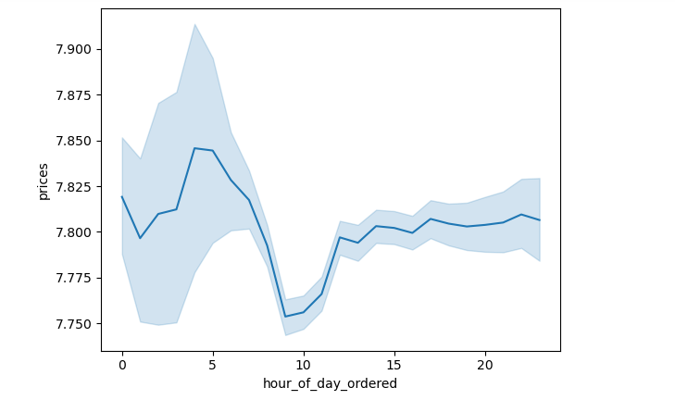
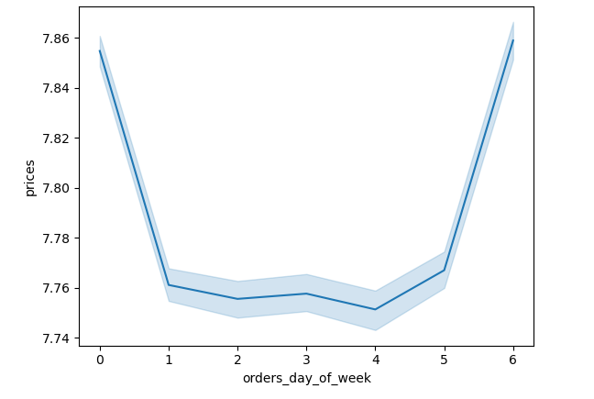

 |  | The peak hour for the most money spent is in the early morning hours between 4-5am.

Frequency of Prices
Count of Customers by Loyalty Status
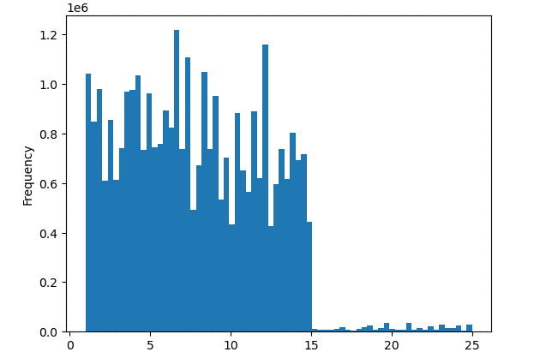
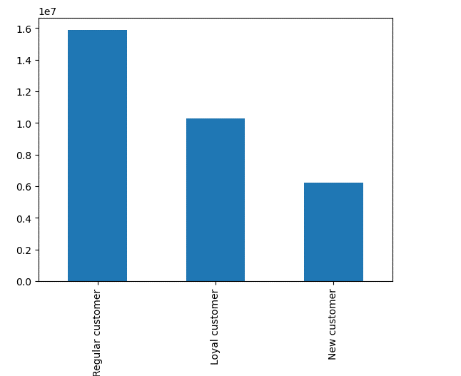

Price

This histogram summarizes the frequency of each price. For example,the bulk of the prices are below $15 , while the most expensive products are purchased in lower frequencies.

Each customer was tagged with a loyalty status. There are 3 categories of loyalty. The majority of customers are regular customers.

 |  | Relatonhips between Age and Income or Number of Dependants

Income v. Age
Number of Dependants v. Age

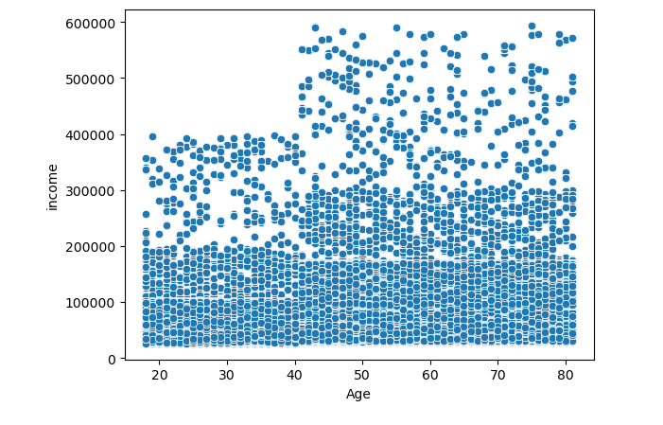
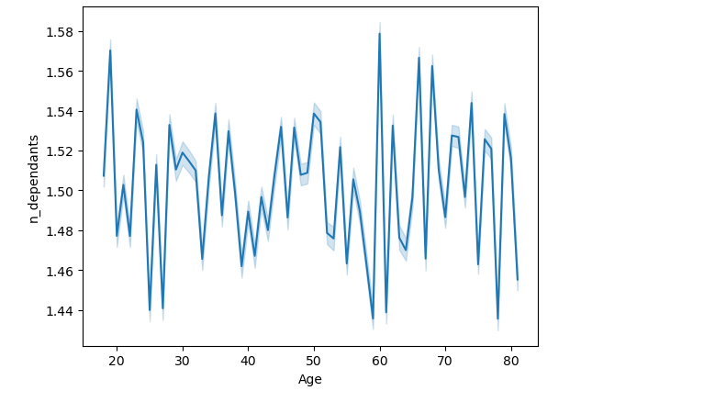

 |  |  | This scatterplot looks at the relationship between age and income. |  |  |  | The line plot looks at the relationship between age and number of dependants.
 |  |  | There appears to be a positive relatinship, but income appears to plateau off at age 50. |  |  |  | There is no discernible relationship between age and children.

 |  | Age Group and Region

 |  |  | This plot looks at the distribution of customers by age group for all 4 regions..

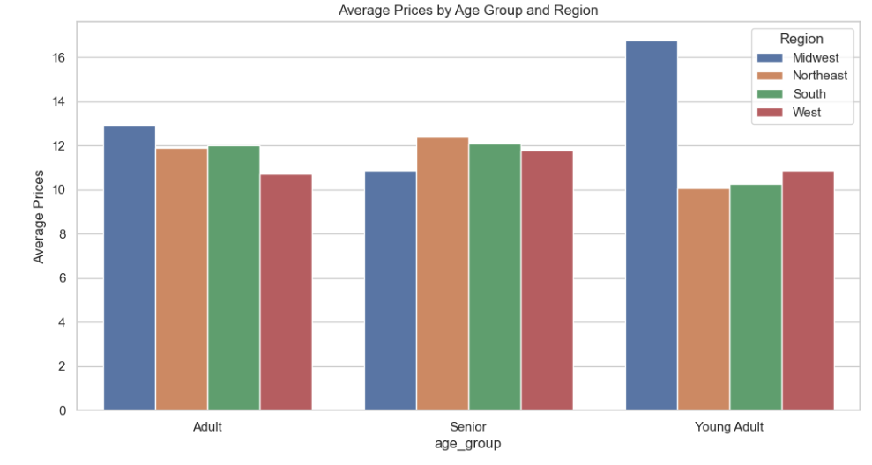

 |  |  |  | This barplot looks at the average prices spent by each age group across all 4 regions. Adults and Seniors outspend young adults.
 |  |  |  | However, in the Midwest, young adults appear to have have higher spending than their peers in the other regions and other age groups.
 |  |  |  | This shows a difference in ordering habit between different age groups.

 |  | Income and Region

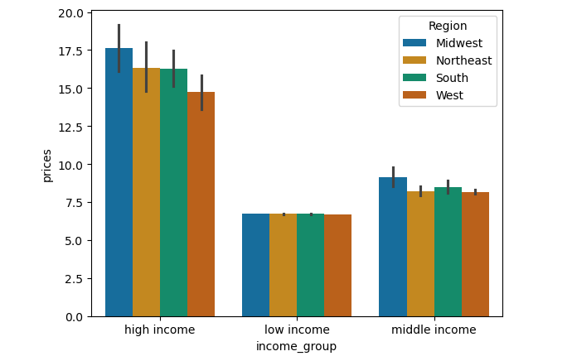
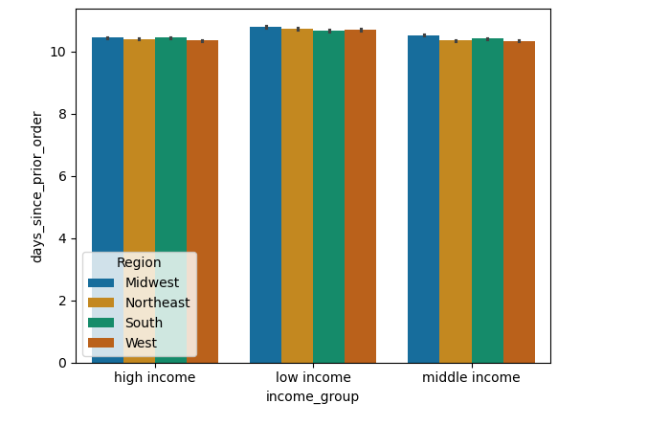
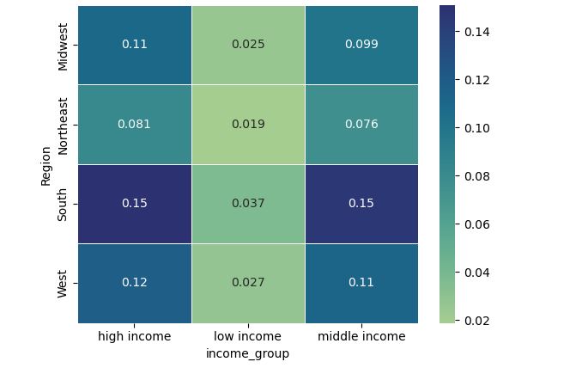

This heatmap show the distribution of income groups by region.
This figure looks at the distribution of average of days since prior order.by region. This gives insight into the ordering habit by income gorup.
This figure looks at the distribution of prices by income group for each region. It looks at the ordering habit by income group across regions.

 |  | Dependant Group and Region

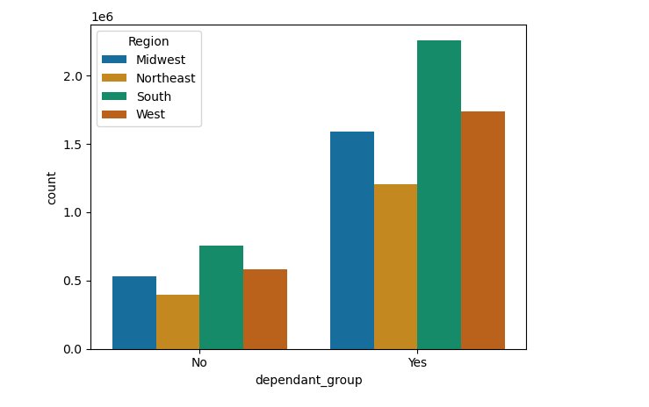
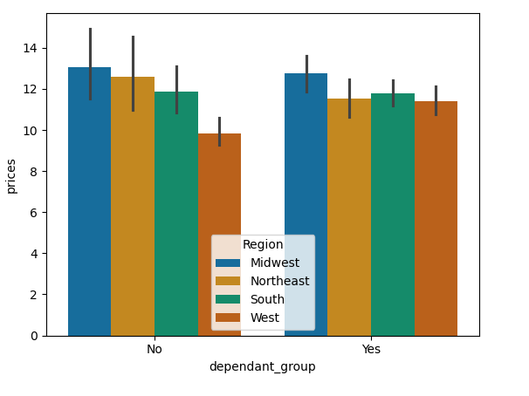

This plot shows the count orders by whether a customer has dependants. Those with dependants have more orders.
Whether a customer has dependants does not affect the average expenditures.

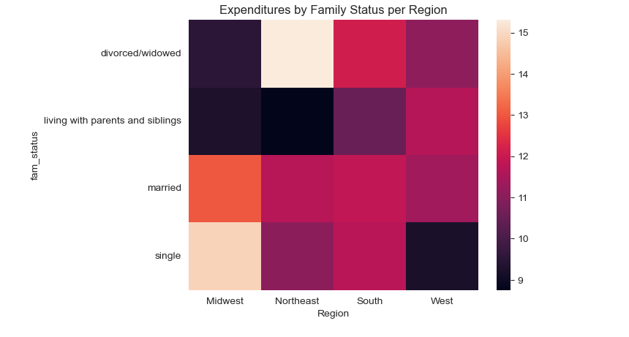
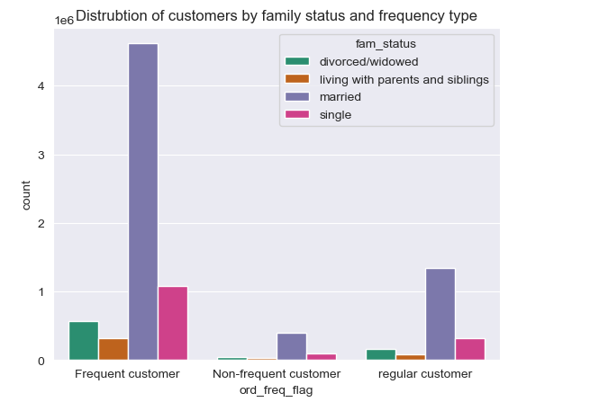

The heatmap looks distribution of expenditures by family status and each region. Family status also contributes to amount of spending

This plot looks like at the count of customers byy ordering frequency based on family status. Married customers are the majority of the frequent customers as well as the regular customers. Famly status affects ordering frequency.

 |  |  | Order Types by Region

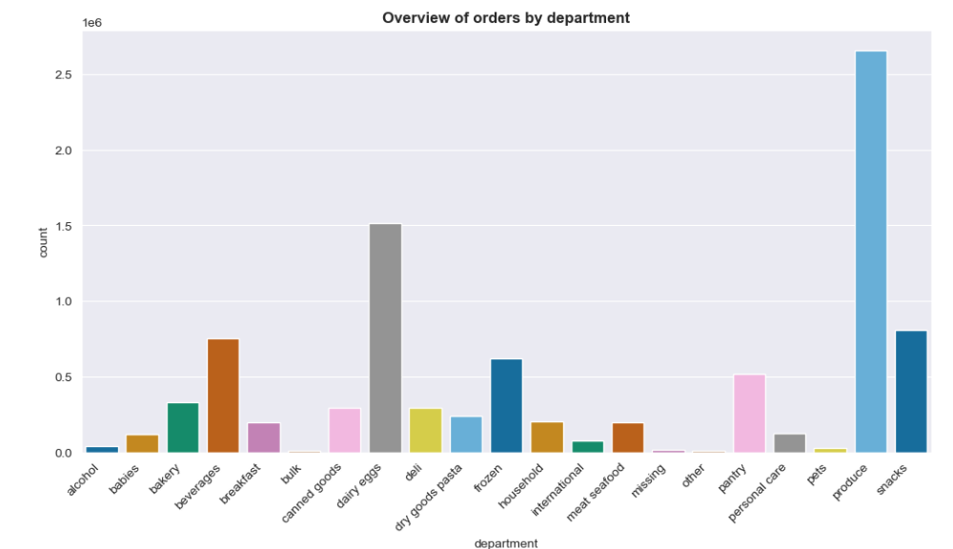
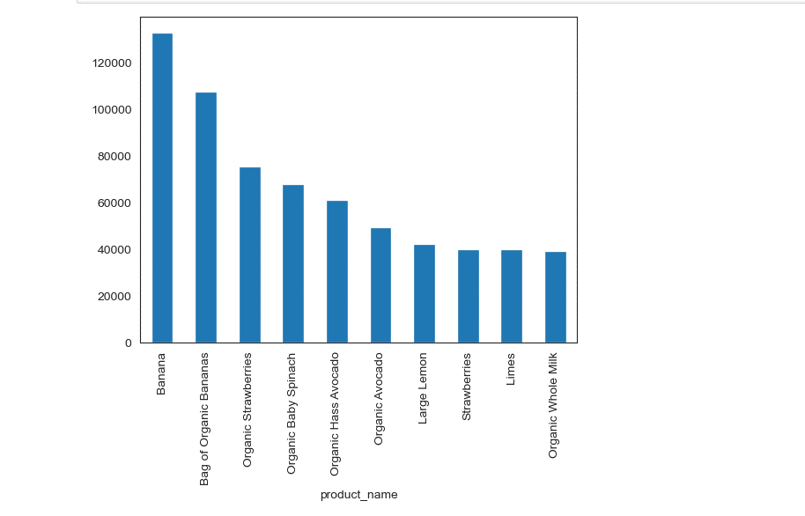

This is a plot of the count of orders by department. Produce and dairy eggs are the leading two categories of products. Snack, beverages, frozen food and pantry are also popular categories.

 |  |  |  |  | Order Day of Week and Hour by Region
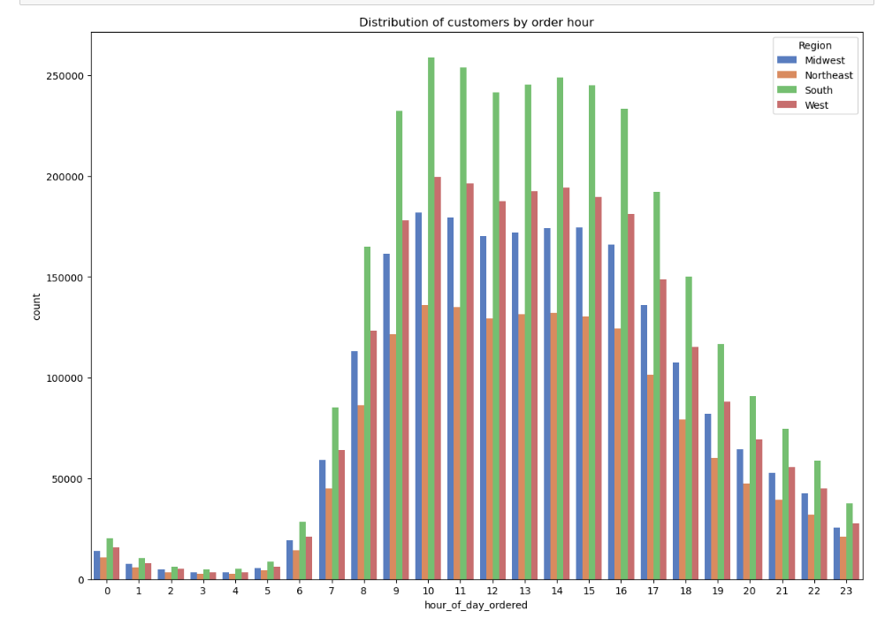

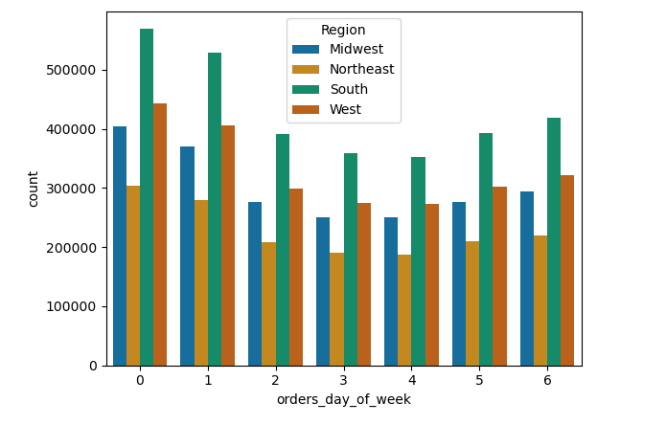

 |  |  |  |  | Loyalty Status and Order Day of the Week

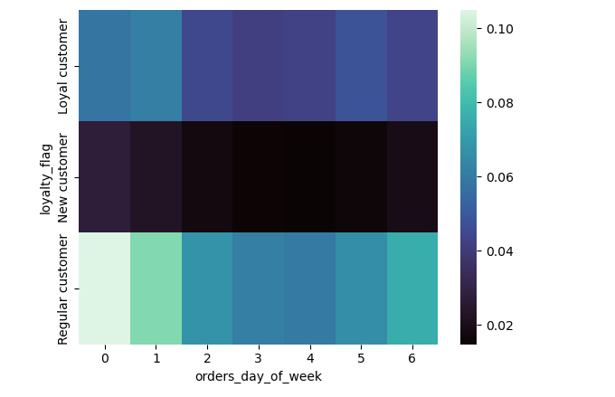
The heat map shows the distribution of orders over the week by loyalty status.

 |  |  | Age and Family Status - Order Day of the Week

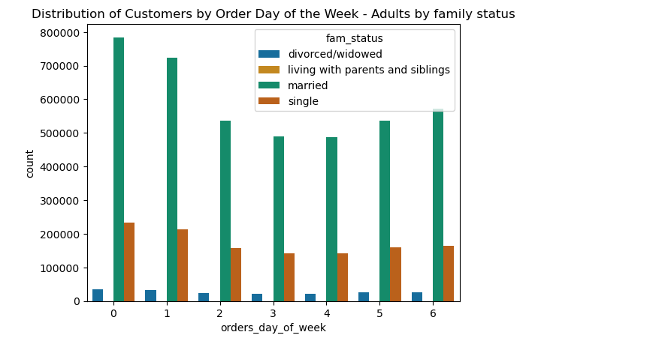
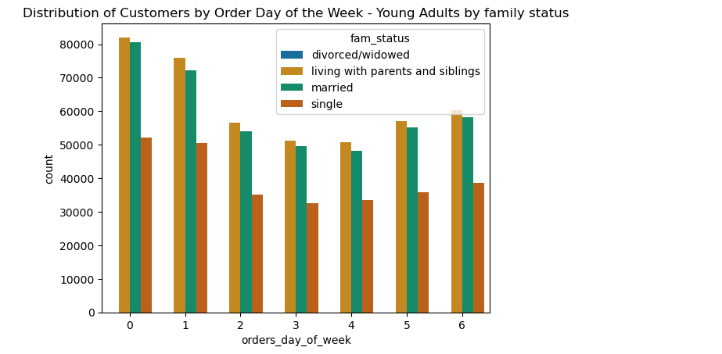
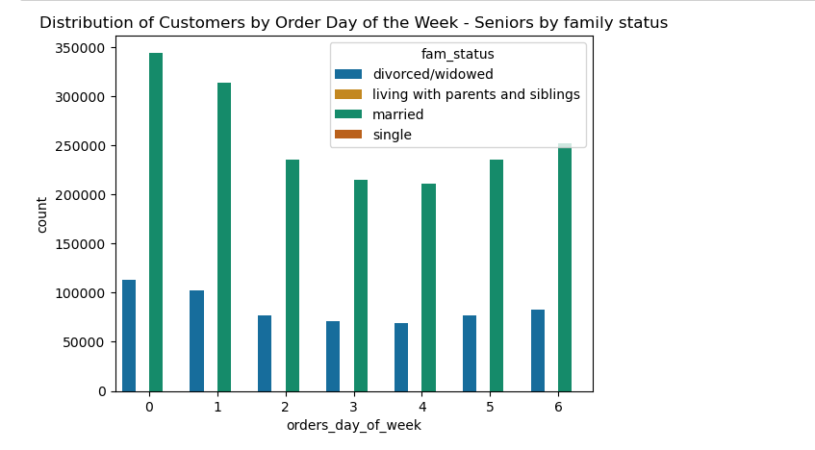

 |  | Types of Orders by customer profiles

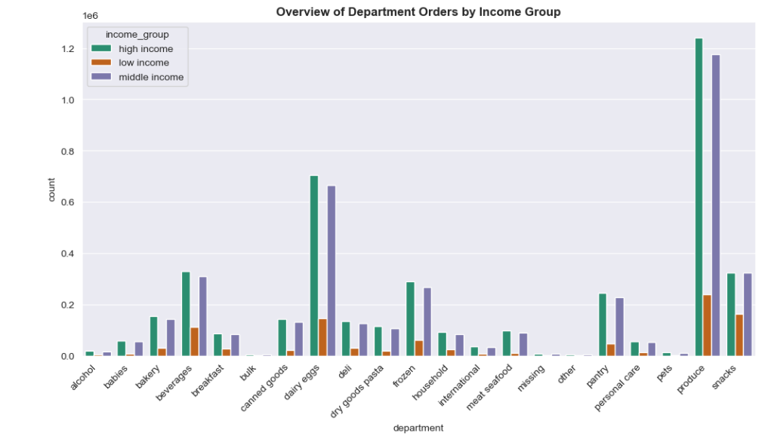
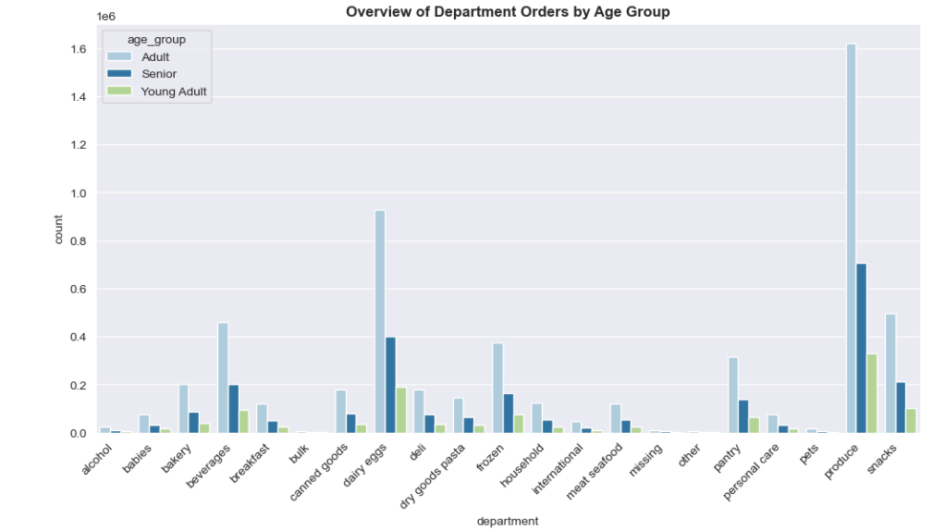

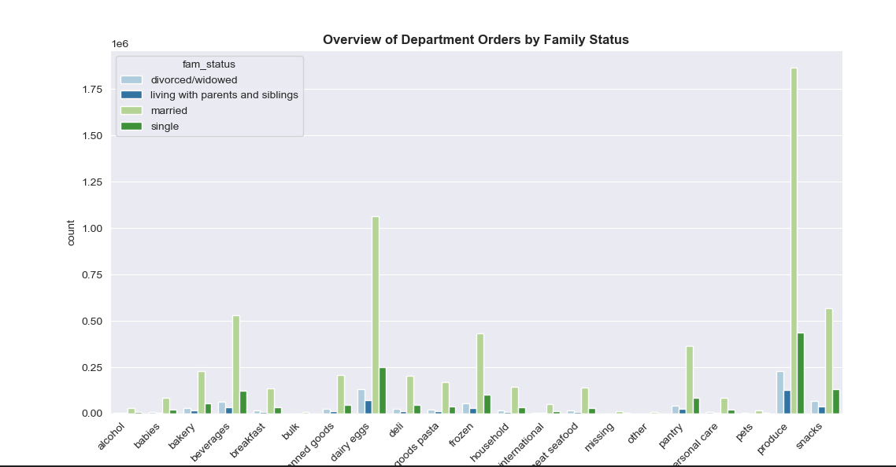
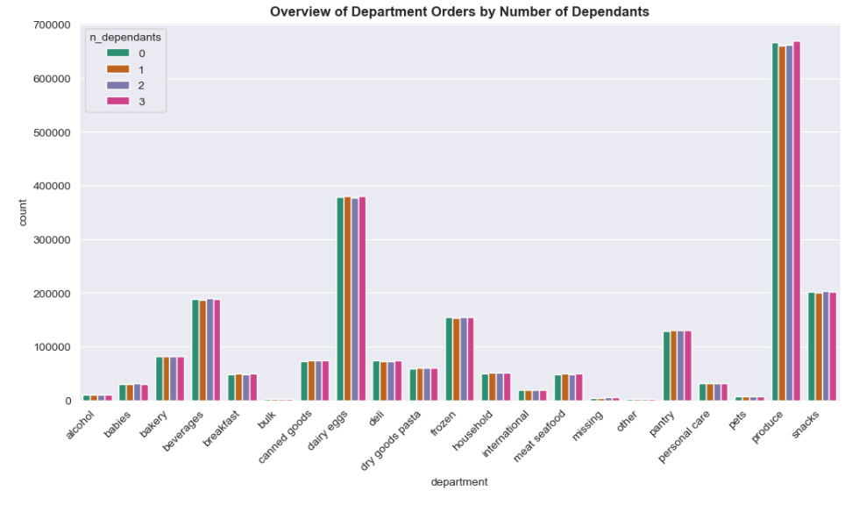

 |  | Product Analysis

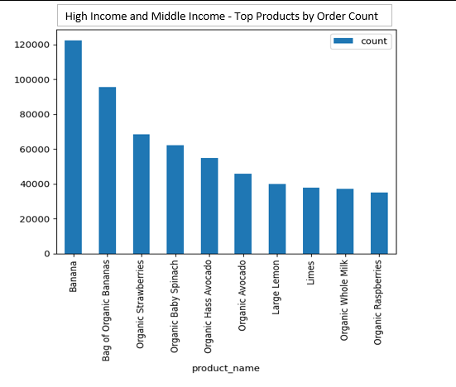
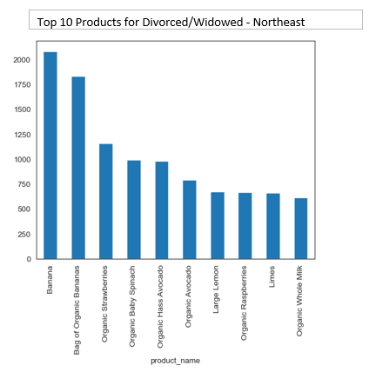

These are product analyses of various customer segments. They reveal which products are popular with the respective customer segments. Based on these trends, the marketing campaign can be more targetted.

7. Recommendations
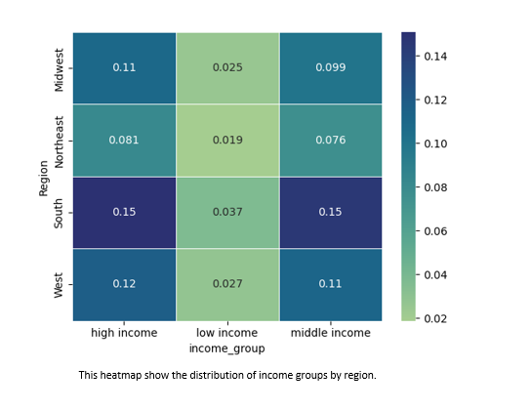
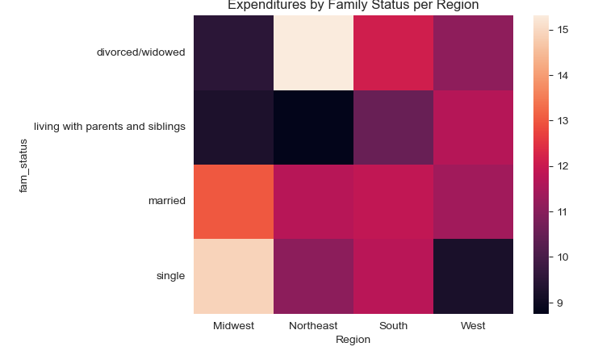 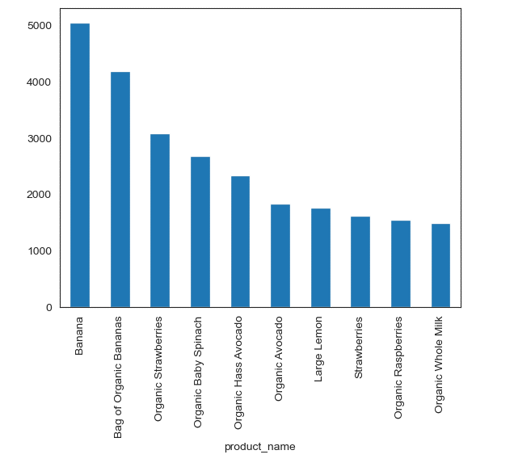 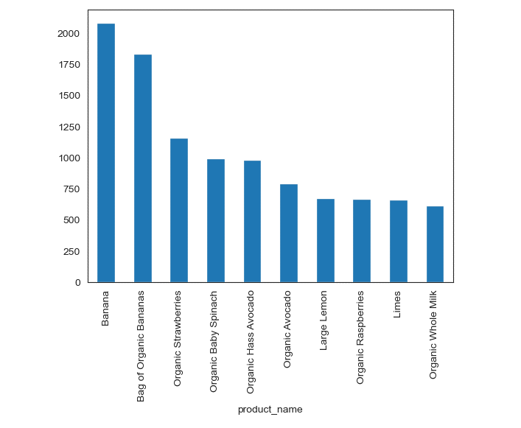
 |  |  |  | Title page

Recommendations

In this tab you should include any recommendations you would made to Instcart in terms of their marketing strategy based on the questions posed in the brief. Every key question has been covered in the Tasks of the Exercises - here you need to add an item - a visualisation or table/crosstable that is showing the answer in the data, acompanied by a comment from you. Please, list the questions below and add the answer underneath.

Key Questions

Question | Answer | Figure
The sales team need to know what the busiest days of the week and hours of the day are (i.e., the days and times with most orders) in order to schedule ads at the time when there are fewer orders | The busiest days of the week for placing orders fall between Friday and Sunday with Saturday as the peak day for orders.The busiest hours for placing orders are between 10-11am. The least busy days are Wednesday and Thursday and the slowest hours early morning hour s before 9am and late night hours after 8pm. Offering specials or discounts for Tuesday and Wednesday may attract more customers on these days. Since they are slow days, offering discounts or special prices will provide another source of revenue. As for hours of the days, perhaps offering after-work discounts or specials will boost more sales after 6pm. | 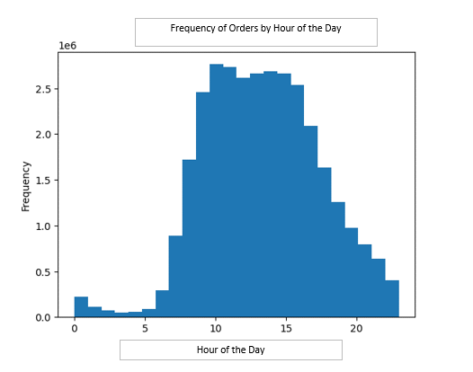 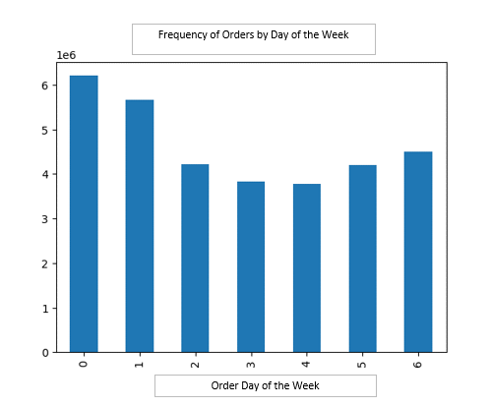

Is there a particular time of the day when people spend the most money, as this might inform the type of products they advertise at these times | Customers are more likely to purchase more expensive items in eartly morning hours peaking between 3-5am. However, this region is highly variable. The least expensive items around 10-11am, which may correspond to lunch. Instacart may also consider introducing additional items during the hours of between 10-11am, which correspond to the highest count of orders in order to boost revenue. | 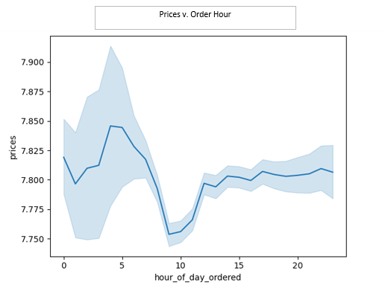

Instacart has a lot of products with different price tags. Marketing and sales want to use simpler price range groupings to help direct their efforts | The majority of orders are less than $15. Three price groupings have been created: (1) Low-range products for less than or equal to $5 ; (2) Mid-range products for less or equal to $15; and (3) High-range products for greater than $15. The frequency table is provided and show that the bulk of our orders are in thd mid-range followed by low-range. Only a fraction of orders are in the high price range. | 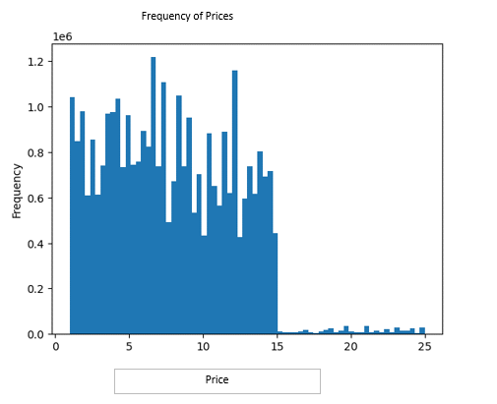

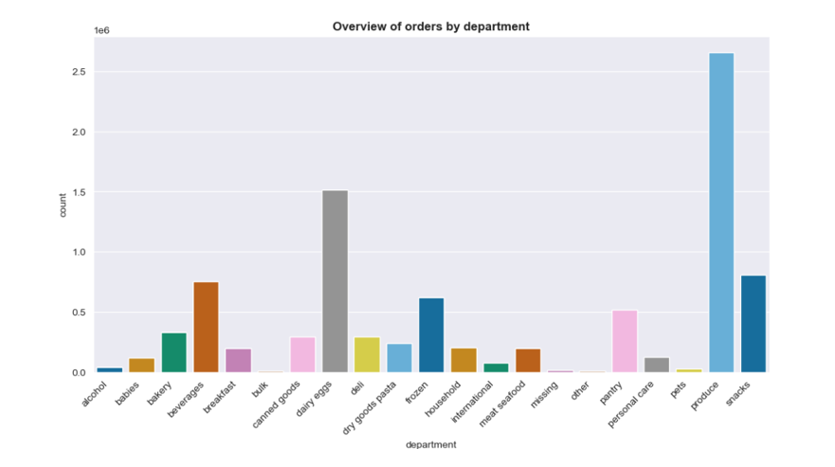
Are there certain types of products that are more popular than others? The marketing and sales teams want to know which departments have the highest frequency of product orders. | The top 5 categoriesin general are produce, dairy eggs, snacks, beverages, and frozen food. This trend is consistent for demographic groups such age, income, family status and number of dependants. Instacart should consider investing in these departments with more marketing campaign and promotions to differentiate itself from competition. The top products span dairy and produce as indicated in the blue plot. These are also areas to be invest in for marketing campaigns.

The marketing and sales teams are particularly interested in the different types of customers in their system and how their ordering behaviors differ. The following are analyses of different types of customers and how their ordering behaviors differ.
What's the distribution among users in regards to their brand loyalty? (i.e., how often do they return to Instacart? | The majority of the customers are regular customers rather than loyal customers. Instacart should consider offering additional incentives or rewards to boost the loyal customer base. In addition, the company should further analyze the regular customer base to see if there are particular types of products they prefer over others to convert these regular customers to loyal customers. The company could survey these regular customers to that end. | 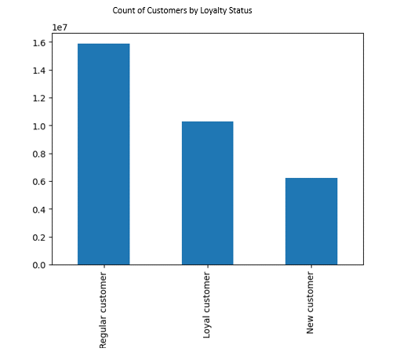

The South leads all other regions in the order count on all days of the week and at all hours of the week. The order is : South, West, Midwest and Northeast. This indicates that Instacart will need to revised the marketing strategy to Northeastern customers. It is recommended that Instacart conduct a revised market analysis of Northeastern customers. It can also look to the South to see if there are elements of the strategy there that can be replicated.
For young adults, the majority of the orders are from married user and users living with parents and siblings. Singles have the least number of orders. No divorce/widowed users
For adults, the majority of users are married. But in this category, singles who are adults make up a much smaller portion. There are now divorced/widowed users.
As a recommendation, married adults users would be the target demographic for advertising and promotions. Their count orders are also an order of magnitude above those of young adults.
For young adults, due to the lower number of orders, the marekting campaighns should be more targetted at young adults' preferences.
Are there differences in ordering habits based on a customer’s loyalty status? | Based on the data, most of the orders are driven by "regular customers" by loyalty status and the orders are mainly take place on Saturday, which is the busiest day of the week. This is followed by "Loyal customers". This illustrates that Instacart will need to offer additional incentives and promotions to keep the loyal customers engaged.
Are there differences in ordering habits based on a customer’s region?
Is there a connection between age and family status in terms of ordering habits?
Further Customer Profile Anaysis and Insights
By income group, both high income and middle income group far outnumber low income group in the purchase of produce and dairy eggs. A breakdown of the top selling products in the produce and dairs categories shows that customers are by and largely health concious. Especially with these higher income groups, Instacart should focus on a target set of products for these groups.
High Income and Middle Income - Top Products by Order Count
 |  |  | 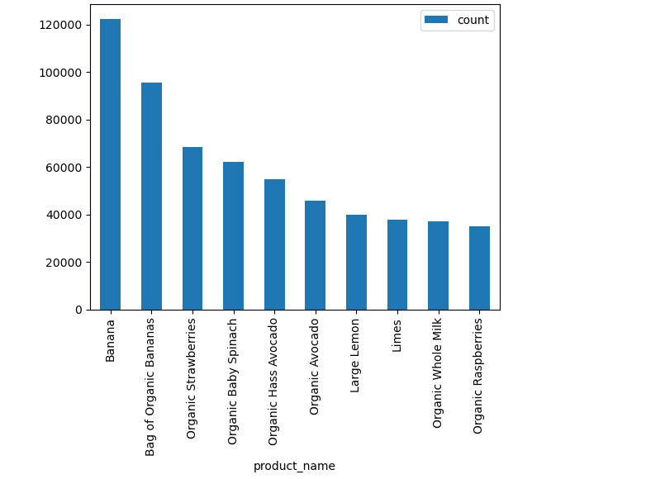
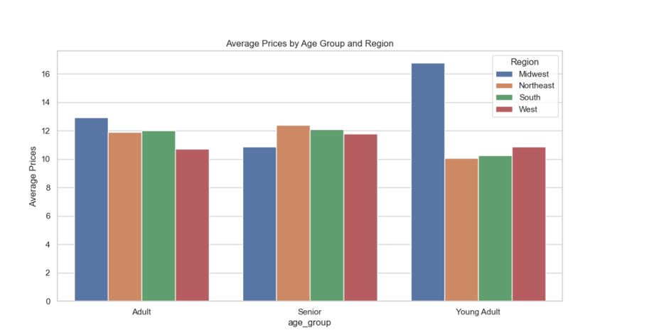 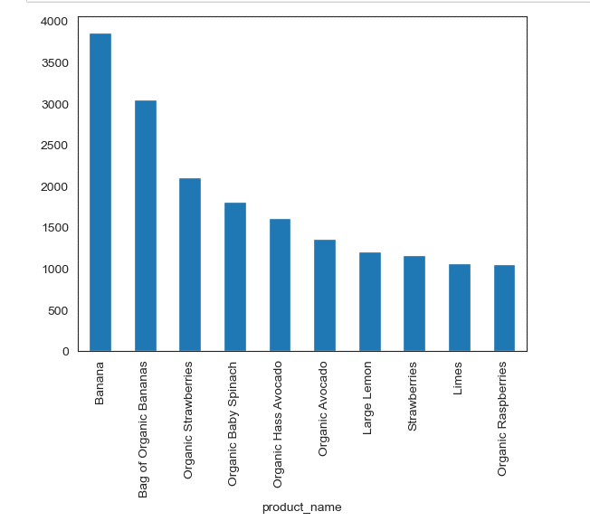
Young Adults in the Midwest - Top Products by Order Count

By age group, both adults and young adults in the midwest lead in the purchase of more expensive products. There is a spike in the average price by young adults in the Midwest. The exploratory analysis showed that the Midwest may offer additional insights. The breakdown of the top products purchased the young adults of Midwest shows that they are health conscious with emphasis on fruits and spinach. The young people in the Midwest may be an untapped area for further market research.
We can see that the high income and middle earner of the South drive the bulk of the orders; however, in terms of average spending, within these two income groups, the South and and the rest of the regions are on more or less on par, with slightly higher spending in the Midwest in both high income and middle income group. In terms of the average number of days lapsed since prior order, the lower income groups across all regions wait slightly longer than either higher or middle income group. Instacart should continue to focus on the South ; however, the Midwest's higher spending pattern is also wothy of further research to boost sales int that region.
By Family Status, Singles in the Midwest and Divorced and Widowed Northeast show strong spending. Further analyses of the top products from these segments show a health concious consumer base. Strawberries are popular in the Midwest whereas Limes are popular in the Northeast. This indicates strawberries should be targetted at this segment in Midwest, and the limes should be targetted at Northeast. The Midwest consumers are higher spenders for both high income and low income as we saw earlier; therefore, it's recommended that Instacart conduct a targetted campaign in the Midwest.
Top 10 Products for Singles - Midwest
Top 10 Products for Divorced/Widowed - Northeast

